Daily Power Station Chart_15-01
Plant_12/03/2025Chart

Plant:odco1 |  |  | Installed Capacity:111.180kWp
Today Yield(kWh):550.400kWh |  | Today Earning:220160.000TND |  | Today Full Load Hours(h):4.95h

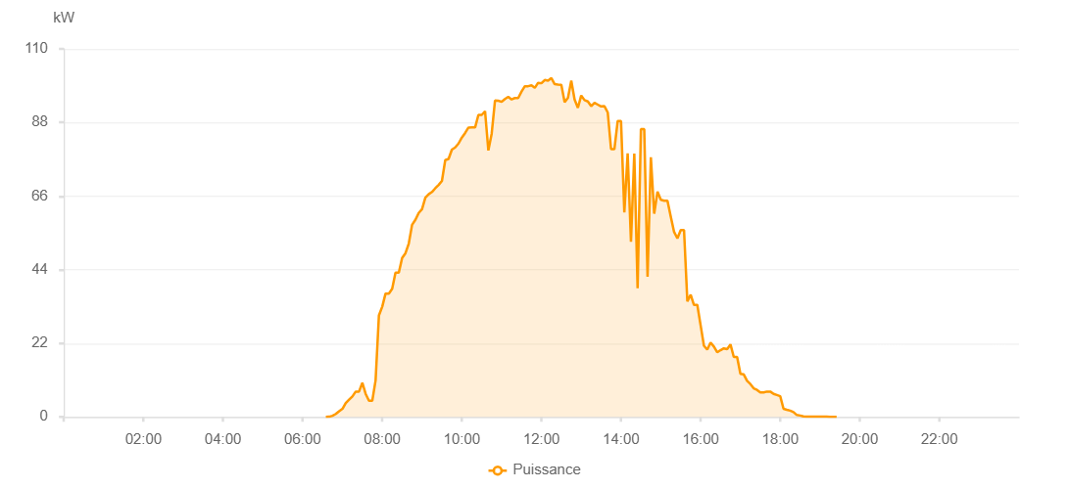

Number | Time | Working State | PV(W) | Instantaneous Radiation(W/㎡)
1 | 06:45:00 | Online | 120.00000 | 0
2 | 06:50:00 | Online | 280.00000 | 0
3 | 06:55:00 | Online | 320.00000 | 1.00000
4 | 07:00:00 | Online | 650.00000 | 4.00000
5 | 07:05:00 | Online | 890.00000 | 6.00000
6 | 07:10:00 | Online | 1410.00000 | 9.00000
7 | 07:15:00 | Online | 1840.00000 | 14.00000
8 | 07:20:00 | Online | 1840.00000 | 17.00000
9 | 07:25:00 | Online | 1920.00000 | 18.00000
10 | 07:30:00 | Online | 2690.00000 | 19.00000
11 | 07:35:00 | Online | 2890.00000 | 23.00000
12 | 07:40:00 | Online | 3320.00000 | 26.00000
13 | 07:45:00 | Online | 3700.00000 | 28.00000
14 | 07:50:00 | Online | 4070.00000 | 37.00000
15 | 07:55:00 | Online | 4080.00000 | 37.00000
16 | 08:00:00 | Online | 5260.00000 | 41.00000
17 | 08:05:00 | Online | 6220.00000 | 47.00000
18 | 08:10:00 | Online | 8080.00000 | 57.00000
19 | 08:15:00 | Online | 8080.00000 | 76.00000
20 | 08:20:00 | Online | 8180.00000 | 83.00000
21 | 08:25:00 | Online | 7560.00000 | 72.00000
22 | 08:30:00 | Online | 7890.00000 | 73.00000
23 | 08:35:00 | Online | 10030.00000 | 85.00000
24 | 08:40:00 | Online | 10180.00000 | 86.00000
25 | 08:45:00 | Online | 12350.00000 | 95.00000
26 | 08:50:00 | Online | 13200.00000 | 108.00000
27 | 08:55:00 | Online | 17330.00000 | 127.00000
28 | 09:00:00 | Online | 17330.00000 | 147.00000
29 | 09:05:00 | Online | 17870.00000 | 158.00000
30 | 09:10:00 | Online | 19380.00000 | 170.00000
31 | 09:15:00 | Online | 19140.00000 | 178.00000
32 | 09:20:00 | Online | 19120.00000 | 181.00000
33 | 09:25:00 | Online | 19350.00000 | 180.00000
34 | 09:30:00 | Online | 17420.00000 | 159.00000
35 | 09:35:00 | Online | 16980.00000 | 151.00000
36 | 09:40:00 | Online | 15630.00000 | 149.00000
37 | 09:45:00 | Online | 14930.00000 | 122.00000
38 | 09:50:00 | Online | 32460.00000 | 190.00000
39 | 09:55:00 | Online | 51580.00000 | 445.00000
40 | 10:00:00 | Online | 47340.00000 | 616.00000
41 | 10:05:00 | Online | 50560.00000 | 404.00000
42 | 10:10:00 | Online | 62570.00000 | 349.00000
43 | 10:15:00 | Online | 93930.00000 | 519.00000
44 | 10:20:00 | Online | 101940.00000 | 531.00000
45 | 10:25:00 | Online | 101940.00000 | 491.00000
46 | 10:30:00 | Online | 77430.00000 | 326.00000
47 | 10:35:00 | Online | 43010.00000 | 311.00000
48 | 10:40:00 | Online | 47200.00000 | 620.00000
49 | 10:45:00 | Online | 47200.00000 | 347.00000
50 | 10:50:00 | Online | 90360.00000 | 678.00000
51 | 10:55:00 | Online | 71020.00000 | 790.00000
52 | 11:00:00 | Online | 107550.00000 | 998.00000
53 | 11:05:00 | Online | 105510.00000 | 998.00000
54 | 11:10:00 | Online | 103600.00000 | 960.00000
55 | 11:15:00 | Online | 100250.00000 | 957.00000
56 | 11:20:00 | Online | 99650.00000 | 955.00000
57 | 11:25:00 | Online | 98770.00000 | 956.00000
58 | 11:30:00 | Online | 99050.00000 | 961.00000
59 | 11:35:00 | Online | 99690.00000 | 961.00000
60 | 11:40:00 | Online | 99690.00000 | 968.00000
61 | 11:45:00 | Online | 103800.00000 | 984.00000
62 | 11:50:00 | Online | 95580.00000 | 1065.00000
63 | 11:55:00 | Online | 65330.00000 | 462.00000
64 | 12:00:00 | Online | 70560.00000 | 504.00000
65 | 12:05:00 | Online | 61030.00000 | 1187.00000
66 | 12:10:00 | Online | 95660.00000 | 1081.00000
67 | 12:15:00 | Online | 108380.00000 | 1015.00000
68 | 12:20:00 | Online | 88710.00000 | 1099.00000
69 | 12:25:00 | Online | 49970.00000 | 1120.00000
70 | 12:30:00 | Online | 88590.00000 | 1027.00000
71 | 12:35:00 | Online | 104800.00000 | 991.00000
72 | 12:40:00 | Online | 104040.00000 | 983.00000
73 | 12:45:00 | Online | 103400.00000 | 983.00000
74 | 12:50:00 | Online | 103590.00000 | 921.00000
75 | 12:55:00 | Online | 103020.00000 | 968.00000
76 | 13:00:00 | Online | 102840.00000 | 964.00000
77 | 13:05:00 | Online | 105100.00000 | 965.00000
78 | 13:10:00 | Online | 104970.00000 | 986.00000
79 | 13:15:00 | Online | 102640.00000 | 966.00000
80 | 13:30:00 | Online | 0.00001 | 0.00001
81 | 13:35:00 | Online | 96060.00000 | 880.00000
82 | 14:20:00 | Online | 83460.00000 | 241.00000
83 | 14:25:00 | Online | 79350.00000 | 766.00000
84 | 14:30:00 | Online | 76880.00000 | 738.00000
85 | 14:35:00 | Online | 75250.00000 | 717.00000
86 | 14:40:00 | Online | 75250.00000 | 702.00000
87 | 14:45:00 | Online | 73670.00000 | 690.00000
88 | 14:50:00 | Online | 71470.00000 | 539.00000
89 | 14:55:00 | Online | 71470.00000 | 652.00000
90 | 15:00:00 | Online | 70530.00000 | 633.00000
91 | 15:05:00 | Online | 64240.00000 | 615.00000
92 | 15:10:00 | Online | 64240.00000 | 601.00000
93 | 15:15:00 | Online | 59550.00000 | 585.00000
94 | 15:20:00 | Online | 57730.00000 | 562.00000
95 | 15:25:00 | Online | 55470.00000 | 548.00000
96 | 15:30:00 | Online | 55430.00000 | 526.00000
97 | 15:35:00 | Online | 50300.00000 | 501.00000
98 | 15:40:00 | Online | 50300.00000 | 480.00000
99 | 15:45:00 | Online | 48650.00000 | 459.00000
100 | 15:50:00 | Online | 45740.00000 | 440.00000
101 | 15:55:00 | Online | 42360.00000 | 419.00000
102 | 16:00:00 | Online | 41260.00000 | 399.00000
103 | 16:05:00 | Online | 41260.00000 | 399.00000
104 | 16:10:00 | Online | 35370.00000 | 357.00000
105 | 16:15:00 | Online | 34120.00000 | 337.00000
106 | 16:20:00 | Online | 30640.00000 | 314.00000
107 | 16:25:00 | Online | 29580.00000 | 293.00000
108 | 16:30:00 | Online | 28150.00000 | 274.00000
109 | 16:35:00 | Online | 24380.00000 | 253.00000
110 | 16:40:00 | Online | 24380.00000 | 70.00000
111 | 16:45:00 | Online | 19710.00000 | 44.00000
112 | 16:50:00 | Online | 18890.00000 | 43.00000
113 | 16:55:00 | Online | 17230.00000 | 42.00000
114 | 17:00:00 | Online | 16060.00000 | 42.00000
115 | 17:05:00 | Online | 15860.00000 | 59.00000
116 | 17:10:00 | Online | 15860.00000 | 101.00000
117 | 17:15:00 | Online | 11950.00000 | 39.00000
118 | 17:20:00 | Online | 9520.00000 | 38.00000
119 | 17:25:00 | Online | 8690.00000 | 37.00000
120 | 17:30:00 | Online | 7580.00000 | 36.00000
121 | 17:35:00 | Online | 6790.00000 | 36.00000
122 | 17:40:00 | Online | 5970.00000 | 32.00000
123 | 17:45:00 | Online | 5670.00000 | 30.00000
124 | 17:50:00 | Online | 5390.00000 | 29.00000
125 | 17:55:00 | Online | 5040.00000 | 28.00000
126 | 18:00:00 | Online | 5040.00000 | 28.00000
127 | 18:05:00 | Online | 4840.00000 | 24.00000
128 | 18:10:00 | Online | 2140.00000 | 19.00000
129 | 18:15:00 | Online | 1010.00000 | 13.00000
130 | 18:20:00 | Online | 1010.00000 | 9.00000
131 | 18:25:00 | Online | 780.00000 | 5.00000
132 | 18:30:00 | Online | 320.00000 | 3.00000
133 | 18:35:00 | Online | 170.00000 | 1.00000
134 | 18:40:00 | Online | 90.00000 | 0
135 | 18:45:00 | Online | 40.00000 | 0
136 | 18:50:00 | Online | 40.00000 | 0
137 | 18:55:00 | Online | 40.00000 | 0
138 | 19:00:00 | Online | 40.00000 | 0
139 | 19:05:00 | Online | 40.00000 | 0
140 | 19:10:00 | Online | 40.00000 | 0
141 | 19:15:00 | Online | 40.00000 | 0
142 | 19:20:00 | Online | 40.00000 | 0
143 | 19:25:00 | Online | 20.00000 | 0
144 | 19:45:00 | Online | 0.00001 | 0.00001

